DSSP
Department | DSSP
URL | https://dssp.karnataka.gov.in/dsspws/Service1.asmx
Input parameters | Beneficiary id: 990018060420171159
Input buffer | POST https://dssp.karnataka.gov.in/dsspws/Service1.asmx HTTP/1.1
 | Accept-Encoding: gzip,deflate
 | Content-Type: application/soap+xml;charset=UTF-8;action="http://tempuri.org/GetMyPensionDetails" | Pls see the URL
 | Content-Length: 556 | select the method GetMyPensionDetails
 | Host: dssp.karnataka.gov.in
 | Connection: Keep-Alive | Parameters to be passed
 | User-Agent: Apache-HttpClient/4.5.2 (Java/15)
 |  | Uid : dsspuser
 | <soap:Envelope xmlns:soap="http://www.w3.org/2003/05/soap-envelope" xmlns:tem="http://tempuri.org/"> | Passwd : 410D33631537EAC9C2A9A6CD2C721A7F
 | <soap:Header/> | Ben ID: 990018060420171159
 | <soap:Body> | flag : B
 | <tem:GetMyPensionDetails>
 | <!--Optional:-->
 | <tem:uid>dsspuser</tem:uid>
 | <!--Optional:-->
 | <tem:passwd>410D33631537EAC9C2A9A6CD2C721A7F</tem:passwd>
 | <!--Optional:-->
 | <tem:BM_Beneficiary_Id_Govt>990018060420171159</tem:BM_Beneficiary_Id_Govt>
 | <!--Optional:-->
 | <tem:flag>B</tem:flag>
 | </tem:GetMyPensionDetails>
 | </soap:Body>
 | </soap:Envelope>
Output | HTTP/1.1 200 OK
 | Cache-Control: private, max-age=0
 | Content-Type: application/soap+xml; charset=utf-8
 | Server: Microsoft-IIS/7.5
 | X-AspNet-Version: 4.0.30319
 | X-Powered-By: ASP.NET
 | Date: Thu, 17 Jun 2021 08:35:07 GMT
 | Content-Length: 3268

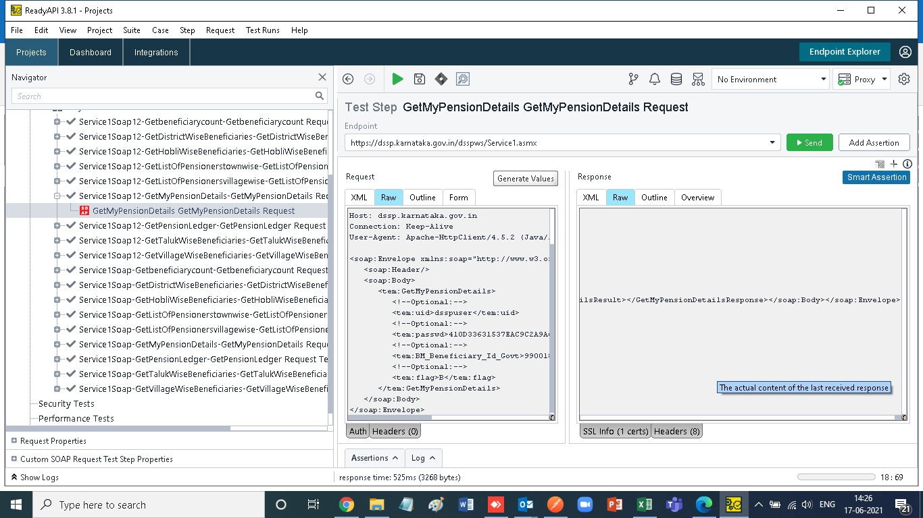
 | <?xml version="1.0" encoding="utf-8"?><soap:Envelope xmlns:soap="http://www.w3.org/2003/05/soap-envelope" xmlns:xsi="http://www.w3.org/2001/XMLSchema-instance" xmlns:xsd="http://www.w3.org/2001/XMLSchema"><soap:Body><GetMyPensionDetailsResponse xmlns="http://tempuri.org/"><GetMyPensionDetailsResult><xs:schema id="NewDataSet" xmlns="" xmlns:xs="http://www.w3.org/2001/XMLSchema" xmlns:msdata="urn:schemas-microsoft-com:xml-msdata"><xs:element name="NewDataSet" msdata:IsDataSet="true" msdata:UseCurrentLocale="true"><xs:complexType><xs:choice minOccurs="0" maxOccurs="unbounded"><xs:element name="Table"><xs:complexType><xs:sequence><xs:element name="BM_Beneficiary_Id_Govt" type="xs:string" minOccurs="0" /><xs:element name="PensionerNameEngish" type="xs:string" minOccurs="0" /><xs:element name="PensionerNameKannada" type="xs:string" minOccurs="0" /><xs:element name="FatherHusbandNameEnglish" type="xs:string" minOccurs="0" /><xs:element name="FatherHusbandNameKannada" type="xs:string" minOccurs="0" /><xs:element name="BM_Gender" type="xs:string" minOccurs="0" /><xs:element name="age" type="xs:dateTime" minOccurs="0" /><xs:element name="scheme_x0020_Name" type="xs:string" minOccurs="0" /><xs:element name="bm_treasury_code" type="xs:string" minOccurs="0" /><xs:element name="category" type="xs:string" minOccurs="0" /><xs:element name="SanctionOrderDate" type="xs:dateTime" minOccurs="0" /><xs:element name="PaymentStartDate" type="xs:dateTime" minOccurs="0" /><xs:element name="DistrictName" type="xs:string" minOccurs="0" /><xs:element name="pensionAmount" type="xs:int" minOccurs="0" /><xs:element name="CurrentStatus" type="xs:string" minOccurs="0" /><xs:element name="TreasuryName" type="xs:string" minOccurs="0" /><xs:element name="TahsildarApprovedDate" type="xs:dateTime" minOccurs="0" /><xs:element name="Aadhaar_number" type="xs:string" minOccurs="0" /></xs:sequence></xs:complexType></xs:element></xs:choice></xs:complexType></xs:element></xs:schema><diffgr:diffgram xmlns:
Screen

RTO-Vahan
Department | RTO - Vahan
URL | http://rtoeservices.karnataka.gov.in/TranskaVsearch/VSearch.asmx
Input parameters | Registration No KA01M1256
Input buffer | POST http://rtoeservices.karnataka.gov.in/TranskaVsearch/VSearch.asmx HTTP/1.1
 | Accept-Encoding: gzip,deflate
 | Content-Type: application/soap+xml;charset=UTF-8;action="http://localhost/GetVehInfoByRegnNo"
 | Content-Length: 516
 | Host: rtoeservices.karnataka.gov.in
 | Connection: Keep-Alive
 | User-Agent: Apache-HttpClient/4.5.2 (Java/15)

 | <soap:Envelope xmlns:soap="http://www.w3.org/2003/05/soap-envelope" xmlns:loc="http://localhost/">
 | <soap:Header>
 | <loc:UserCredentials>
 | <!--Optional:-->
 | <loc:userName>suser</loc:userName>
 | <!--Optional:-->
 | <loc:password>usR$0169</loc:password>
 | </loc:UserCredentials>
 | </soap:Header>
 | <soap:Body>
 | <loc:GetVehInfoByRegnNo>
 | <!--Optional:-->
 | <loc:regn_no>KA01M1256</loc:regn_no>
 | </loc:GetVehInfoByRegnNo>
 | </soap:Body>
 | </soap:Envelope>

Output | HTTP/1.1 200 OK
 | Cache-Control: private, max-age=0
 | Content-Type: application/soap+xml; charset=utf-8
 | Server: Microsoft-IIS/8.0
 | X-AspNet-Version: 4.0.30319
 | X-Powered-By: ASP.NET
 | Date: Fri, 18 Jun 2021 12:33:42 GMT
 | Content-Length: 4912

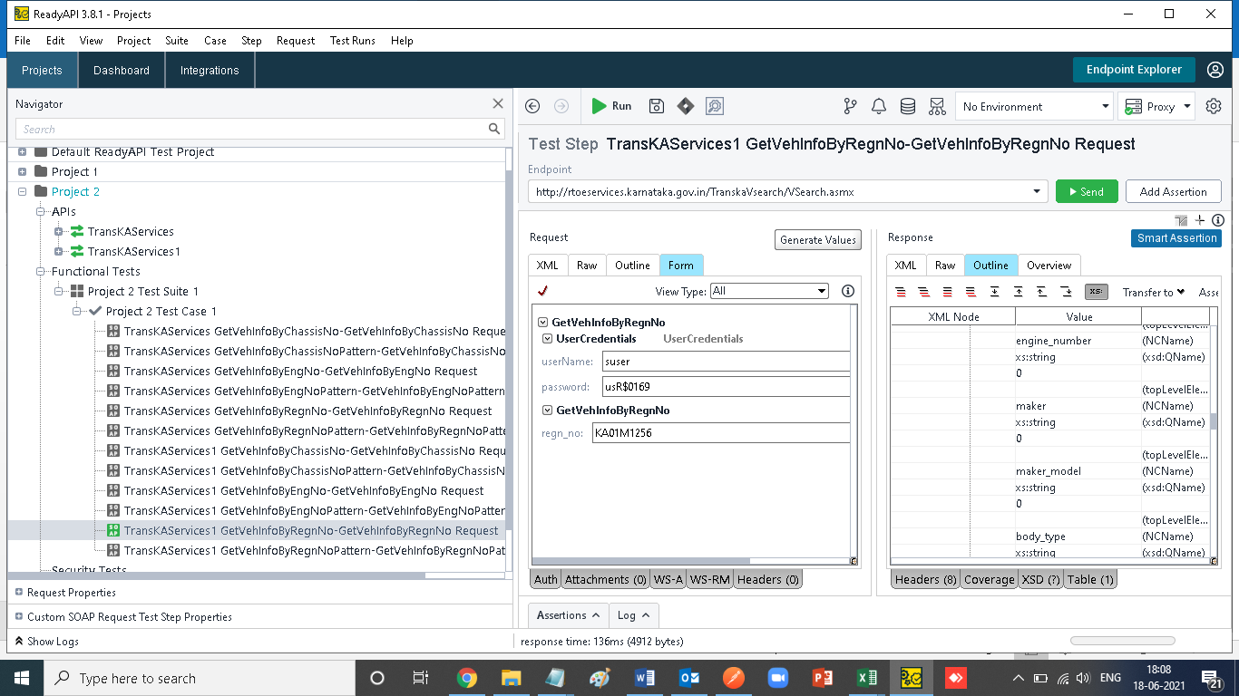
 | <?xml version="1.0" encoding="utf-8"?><soap:Envelope xmlns:soap="http://www.w3.org/2003/05/soap-envelope" xmlns:xsi="http://www.w3.org/2001/XMLSchema-instance" xmlns:xsd="http://www.w3.org/2001/XMLSchema"><soap:Body><GetVehInfoByRegnNoResponse xmlns="http://localhost/"><GetVehInfoByRegnNoResult><xs:schema id="NewDataSet" xmlns="" xmlns:xs="http://www.w3.org/2001/XMLSchema" xmlns:msdata="urn:schemas-microsoft-com:xml-msdata"><xs:element name="NewDataSet" msdata:IsDataSet="true" msdata:MainDataTable="REGISTRATION_x0020_NUMBER_x0020_RECORD" msdata:UseCurrentLocale="true"><xs:complexType><xs:choice minOccurs="0" maxOccurs="unbounded"><xs:element name="REGISTRATION_x0020_NUMBER_x0020_RECORD"><xs:complexType><xs:sequence><xs:element name="state_code" type="xs:string" minOccurs="0" /><xs:element name="office_name" type="xs:string" minOccurs="0" /><xs:element name="registration_number" type="xs:string" minOccurs="0" /><xs:element name="registration_date" type="xs:dateTime" minOccurs="0" /><xs:element name="purchase_date" type="xs:dateTime" minOccurs="0" /><xs:element name="owner_serial" type="xs:decimal" minOccurs="0" /><xs:element name="owner_name" type="xs:string" minOccurs="0" /><xs:element name="son_wife_aughter_of" type="xs:string" minOccurs="0" /><xs:element name="current_address" type="xs:string" minOccurs="0" /><xs:element name="vehicle_class_description" type="xs:decimal" minOccurs="0" /><xs:element name="vehicle_class" type="xs:string" minOccurs="0" /><xs:element name="vhclasstype_code" type="xs:decimal" minOccurs="0" /><xs:element name="chasis_number" type="xs:string" minOccurs="0" /><xs:element name="engine_number" type="xs:string" minOccurs="0" /><xs:element name="maker" type="xs:string" minOccurs="0" /><xs:element name="maker_model" type="xs:string" minOccurs="0" /><xs:element name="body_type" type="xs:string" minOccurs="0" /><xs:element name="no_of_cylinder" type="xs:decimal" minOccurs="0" /><xs:element name="seating_capacity" type="xs
Screen

